MENU
OUR COMPLETE MENU

Pelmeni and Perogies |  | Frozen European Specialties |  |  |  |  | Fresh European Specialties

Meat - Hand Made |  | Manti & Khinkali 6pcs |  |  | Savoury Crepes 8 pc |  | Cold Appetizers
Siberian (beef & pork) | $12.00 | Manti (Beef & Pork) | $20.00 |  | Plain | $10.00 | Aspic - (Kholodets) | $16.00
Chicken (chicken breast) | $12.00 | Khinkali (Beef & Pork) | $22.00 |  | Chicken | $10.00 | Gefilte Fish (4pc) | $10.00
Veal (veal) | $12.00 |  |  |  | Cheese & Salmon | $10.00 | Gefilte Fish (8pc) | $19.00
Turkey | $12.00 | Cabbage Rolls 6pcs |  |  | Chicken & Mushroom | $10.00
 |  | Beef & Pork | $20.00 |  | Cabbage & Mushroom | $10.00 | Salads 12oz
Meat - Machine Made |  | Veal | $20.00 |  | Egg & Green Onion | $10.00 | Babaganoush | $6.00
Siberian (beef & pork) | $10.00 | Chicken | $20.00 |  |  |  | Salad from Beets with Nuts | $6.00
Chicken (chicken breast) | $10.00 | Vegetable | $20.00 |  | Dessert Crepes 8 pc |  | Salad from Beets with Sesame | $6.00
Veal (veal) | $10.00 |  |  |  | Cherry | $10.00 | Korean Carrots | $6.00
Turkey | $10.00 | Chebureki 10pcs |  |  | Cottage Cheese | $10.00 | Salted Cabbage | $6.00
Lamb | $12.00 | Chicken | $20.00 |  | Cottage Cheese & Raspberry | $10.00 | Lecho Vegetable | $6.00
Meat Perogies | $12.00 | Beef & Pork | $20.00 |  | Apple | $10.00 | Georgian Salad | $6.00
 |  | Veal | $20.00 |  | Pear | $10.00 | Eggplant Sweet & Sour | $6.00
Potato Perogies |  | Lamb | $22.00 |  | Plum | $10.00 | Eggplant with Tomatoes | $6.00
Potato & Fried Onions | $9.00 |  |  |  | Poppy Seed | $10.00 | Mushroom Spread | $6.00
Potato & Mushrooms | $9.00 |  |  |  |  |  | Liver Pate | $6.00
Potato & Bacon | $9.00 | Kotlete 6pcs |  |  | Main Courses |  | Herring Pate | $6.00
Potato & Cheddar | $9.00 | Chicken - Raw | $12.00 |  | Cheese Pancakes | $6.00 | Beet & Potato Salad | $6.00
Potato, Cheddar & Onions | $9.00 | Chicken - Fried | $15.00 |  | Khachapuri Ajarski | $14.00 | Olivier Potato Salad | $6.00
Potato, Cheddar & Jalapeno | $9.00 |  |  |  | Belyashi | $6.00
Potato & Cottage Cheese | $9.00 |  |  |  | Samsa | $12.00 | Soups 16oz
Potato, Spinach & Feta | $9.00 | Pirozhki 10pcs |  |  | Lula Kebab | $14.00 | Borsht | $8.00
Potato & Beef Brisket | $9.00 | Beef & Pork | $20.00 |  | Mititei | $14.00 | Split Pea | $8.00
 |  | Beef & Chicken | $20.00 |  | Chicken Meatballs (1 kg) | $12.00 | Meatball | $8.00
Desert Perogies |  | Cabbage | $18.00 |  | Maina (Jewish Wedding Pie) | $12.00 | Cold Borsht | $8.00
Sweet Cottage Cheese | $10.00 | Potato | $16.00 |  | Kutaby | $6.00 | Green Borsht | $8.00
Cottage Cheese No Sugar | $10.00 | Pampushki w/ Garlic | $16.00 |  | Potato Latkes (4pc) | $6.00
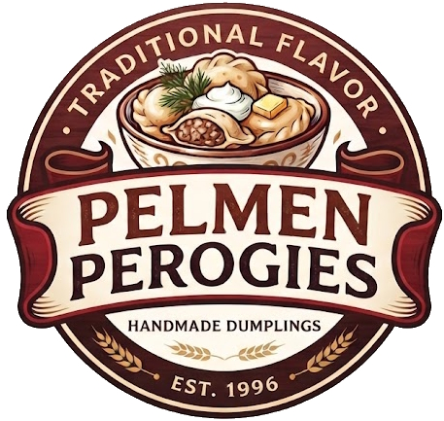
Cherry | $10.00 |  |  |  |  |  | Main Courses
Blueberry | $10.00 |  |  | Pelmen Perogies 111 Martin Ross Ave, North York |  |  | Pilaf with Lamb | $14.00
Strawberry | $10.00
Apple Cinnamon | $9.00 |  |  |  |  |  | Top It Sauces
 |  |  |  |  |  |  | Beef Strognoff | $10.00
Other Varieties |  |  |  |  |  |  | Creamy Chicken Mushroom | $10.00
Sauerkraut | $9.00 |  |  |  |  |  | Navy Style | $10.00
Sauerkraut Mushroom | $9.00 |  |  |  |  |  | Thai Green Chicken Curry | $10.00
Mushroom | $12.00 |  |  |  |  |  | Butter Chicken | $10.00
Kasha & Mushroom | $9.00 |  |  |  |  |  | Goulash | $10.00

